Instructions
Provincial Wage Enhancement Application Instructions - Child Care Centre & Home Visitors (2015)

The purpose of these instructions is to support operators in completing their wage enhancement application. If you have
any questions related to your application please contact [insert CMSM/DSSAB contact information].
Where non-text content has been presented in this document, the user is provided with a text alternative.
Wage enhancement applications must be submitted no later than June 30, 2015 in order to be considered for wage
enhancement funds. Applications submitted after June 30, 2015 will not be accepted.

You are only required to enter data in the green cells. All other calculations will be performed automatically.

The application form contains 100 rows to allow you to enter data for all eligible individuals/positions. At step 5,
you will be provided with instructions on how to only show the rows where data has been entered for printing purposes.

Please note that definitions/explanations have been included for certain fields to help you complete this form. You can
activate these definitions/explanations by clicking on the cell. You can also move these cells to a different location
on the application form if its placement makes it difficult for you to see other information on the application form.

STEP 1: DETERMINE ELIGIBILITY
In order to successfully complete your wage enhancement application you must determine which of the positions in your
licensed child care centre / agency are eligible for the enhancement.

Licensed child care centre positions are eligible for a full wage enhancement of $1 per hour plus 17.5% for statutory
benefits if:
• The position can be counted toward adult to child ratios under the Day Nurseries Act (DNA) this includes:
o Registered Early Childhood Educators;
o Program Staff;
o Supervisors (as approved by the Director in accordance with DNA requirement); and
o Other staff positions that are required to spend a minimum of 25% of the day in a position that can be counted
ratio (this can include cooks, etc.).
• As of October 31, 2014 the position has an associated wage rate of $25.27 per hour or less.

Licensed child care centre / agency positions are eligible for a partial wage enhancement of less than $1 per hour plus
17.5% for statutory benefits if:
• The position is one of the 4 categories listed under the full wage enhancement eligibility above; and
• As of October 31, 2014 the position has an associated wage rate that is between $25.28 per hour and $26.26 per
hour inclusive.

These positions include permanent, full-time, part-time, contract and supply positions.

Now that you have determined which of the positions in your licensed child care centre / agency qualify for the wage
enhancement you can begin completing the form.

STEP 2: ENTER CENTRE / AGENCY INFORMATION
Open the wage enhancement application form in excel and complete the centre / agency information shown below as
well as a contact person who is able to answer questions in regards to the application form being submitted.

STEP 3: CHILD CARE CENTRE / AGENCY OPERATING INFORMATION
Using the drop-down menu, please indicate if the centre / agency opened before or after January 1, 2014.

If you answered "yes", please leave the next line blank which reads "If no, first full month it operated in 2014". Otherwise,
an error message will appear as follows: "THIS ANSWER IS NOT CONSISTENT WITH THE PREVIOUS ANSWER"

If the child care centre / agency opened after January 1, 2014, please select "No", and proceed to the next line and enter
the nearest full month it opened in 2014.
For example, if the centre opened on May 15th please select "June". If the centre opened after October 31, 2014, it is
not eligible for the 2015 wage enhancement. If the centre opening sometime during the month of October, please
enter "October" which is an exception that applies only to this month.

If you fail to select a month, an error message will appear on the application form, as follows: "ERROR - THE MONTH
MUST BE ENTERED IN THE NEXT LINE".

Once you've entered the information above, your centre's / agency's annualization rate will be calculated into the
annualization factor (cell K26). This is necessary as the application form only collects the total number of hours
worked from January 1st to October 31st. The annualization rate provides a "bump-up" to the hours worked to
convert the reported hours into a January 1 to December 31 equivalent.

Next, proceed to entering the standard work week for centre staff in 2014, total operating capacity and total licensed
capacity. For private home day care agencies (PHDC) , the operating capacity and licensed capacity fields should
remain blank.

STEP 4: MANADATORY BENEFITS

Next proceed to entering the mandatory benefits provided to the employees. The Ministry of Education is funding up
17.5% for mandatory benefits. There are six benefit categories as noted below:
1) CPP (Canada Pension Plan), funded at 4.95% for employer contribution
2) EI (Employment Insurance), funded at 2.63% for employer contribution, which is 1.4 times the employee contribution
3) WSIB (Workers Safety & Insurance Board), funded at 1.10%. WSIB is optional for certain employers.
4) EHT (Employer Health Tax), funded at 1.23%. Certain employers are exempt. Where they are not, the following
ranges exist based on total remuneration:
 | Total Remuneration |  |  | Rate
 | Up to $200,000.00 |  |  | 0.98%
 | $200,000.01 to $230,000.00 |  |  | 1.10%
 | $230,000.01 to $260,000.00 |  |  | 1.22%
 | $260,000.01 to $290,000.00 |  |  | 1.34%
 | $290,000.01 to $320,000.00 |  |  | 1.47%
 | $320,000.01 to $350,000.00 |  |  | 1.59%
 | $350,000.01 to $380,000.00 |  |  | 1.71%
 | $380,000.01 to $400,000.00 |  |  | 1.83%
 | Over $400,000.00 |  |  | 1.95%
5) Vacation Pay, funded at 4% of gross pay per the Employment Standards Act.
6) Public Holiday Pay, funded at 3.59%, representing the following 9 days: New Year's Day, Family Day, Good Friday,
...
 | Max. # of Hours Jan 1 - Oct 31
Sept. | 288.88 | 299.20 | 330.15
October | 147.81 | 153.09 | 168.92

If your centre was open prior to January 1 2014, but expanded its program between January and October 31, 2014
(e.g. opened a new school-age room in September 2014) please use the ROOM EXPANSION HOURS WORKED
CALCULATOR also located at row 139 to enter the partial hours for the staff in the new room(s).
The following example assumes a program expansion that took place on April 15, 2014. This individual worked 870
hours from April 14th to October 31st. You need to take the 1,431.49 calculated hours and enter them in the middle of
the table identifying the employee/position on the line that corresponds to that particular employee/position. Repeat this
process for all impacted positions.
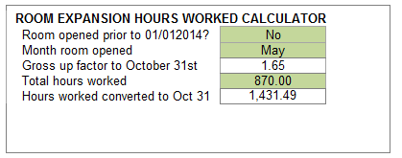
...
Once you’ve entered the information above the application template will generate the following information:
• Eligibility status = partial or full, depending on hourly rate
• Eligibility rate = up to $1.00
• Annual Funded FTE = could be higher than 1.0 if the hours worked exceeds 1,467 hours from Jan 1st to Oct 31st
• Annualized salary component of the enhancement = up to $1.00 per hour for hours worked, including overtime
• Annualized benefit component of the enhancement = up to $0.175 per hour for all hours worked, including overtime or
applicable percentage for your centre/agency to a maximum of 17.5%
• Total compensation = maximum wage enhancement entitlement which is the sum of the salary and benefit component
The following table is an illustration of the wage enhancement funding for the 6 positions applicable to Child Care Centre
Centre ABC.
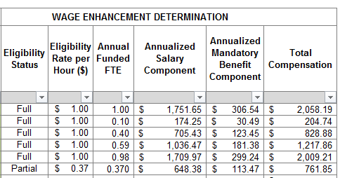

STEP 6: REVIEW OF APPLICATION FORM
Prior to leaving the middle section of the application form, please review the "Summary" starting at cell K139. It contains
a summary of the centre’s / agency's eligible positions and the total funding you are applying for in regards to salaries
and benefits pending approval.
...
STEP 8: PAGE LAYOUT & PRINTING
Prior to printing or submitting your application form, please go to cell A36 and left click on the symbol to the right of the
"Filter" button. This gives you the ability to only show the rows that contain information.
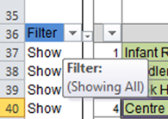

Please ensure that only the "Show" option contains a check mark. You can remove the other checkmark, by left clicking
on the box beside "hide".
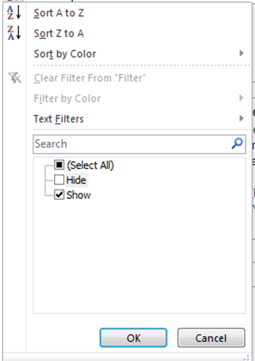

STEP 9: SUBMISSION
Submit the completed application to [insert CMSM/DSSAB information].

The information that you have provided is subject to review by the CMSM/DSSAB prior to/or after granting the wage
enhancement funding to the centre / agency.
The CMSM/DSSAB will communicate the approved amount through returning the application form with the bottom portion
of the form completed.

